LT8582 SMPS
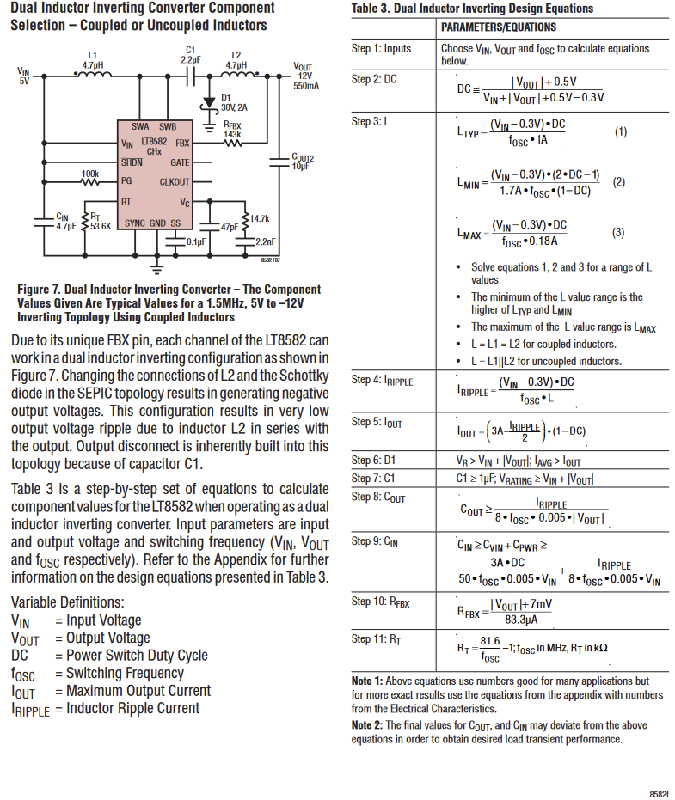
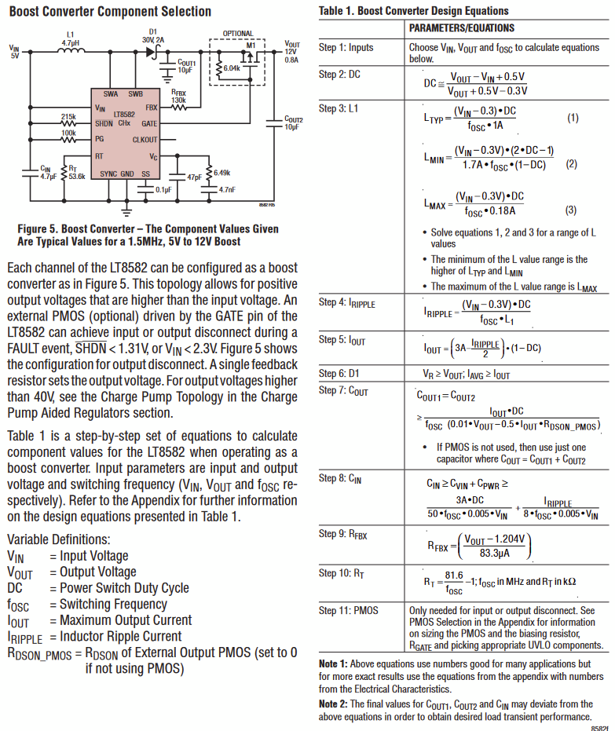
Boost Supply +12V -> +15V
Vin | 12
Vout | 15
Fosc | 1.50E+06

DC |  | 0.2302631579
L1 | Ltyp | 1.80E-06 | Picked 6.8uH
 | Lmin | -3.22E-06 | 6.80E-06
 | Lmax | 9.98E-06
I ripple |  |  | 0.26413
I_OUT |  |  | 2.207557006
D1 |  |  | Using PDS360Q-13; 60V 3A
Cout | 2.40E-06 | Using 10uF | RDSon for PMOS is 8mOhm
Cin | 5.20E-07 | Using 10uF
Rfbx | 1.66E+05 | Using 165kOhm
Rt | 53.4 | Using 53.6kOhm

Inverting Supply +12V -> -15V
Vin | 12
Vout | -15
Fosc | 1.50E+06

DC |  | 0.5698529412
L1 | Ltyp | 4.44E-06 | Picked 15uH
 | Lmin | 1.49E-06 | 1.50E-05
 | Lmax | 2.47E-05
I ripple |  |  | 0.29632
I_OUT |  |  | 1.226709829
D1 |  |  | Using PD3S230H; 30V 2A
C1 |  |  | Using 2.2uF ; 50V | GCJ31CR71H225KA12L
Cout | 3.29E-07 | Using 10uF
Cin | 7.91E-07 | Using 10uF
Rfbx | 1.80E+05 | Using 180kOhm
Rt | 53.4 | Using 53.6kOhm

